Scoring Guidelines
Annexure - CCRAT scoring guidelines
Facility tenor indicator
Tenor | Score 1 for 0-3 years, Score 2 for 3-5 years, Score 3 for more than 5 years

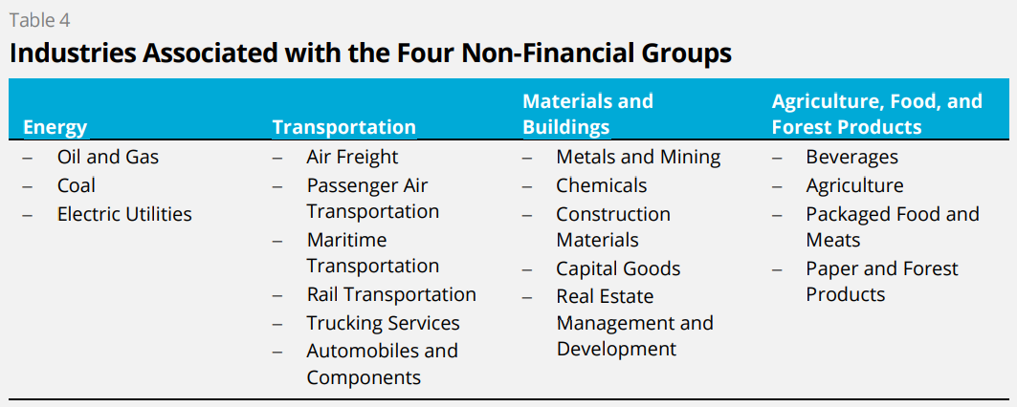
Physical Risk Indicator
Asset heavy operations | This point is trying to ascertain whether the business is dependent of large amounts of physical assets for generating revenues. The heavier the asset book, the more the vulnerability of a business to acute and chronic climate shocks. Higher the risk, higher the score.
Significant operations in vulnerable areas prone to flooding, heat waves, cyclones, seismic activities, drought, etc. | This point is trying to ascertain whether the business operations are concentrated in areas with regular instances or a growing number of instances of flooding, heatwaves, cyclones, seismic activities, droughts and other environmental disturbances. Apart from such acute climate events, it is important to reflect on the possibility of chronic climate shocks such as glacial melts, desertification, changing ambient temperatures impacting business operations and revenues. If there is an already established trend of a chronic climate shock in motion in a particular geography where the business derives a large part of its revenue from, it should reflect in the scoring of this parameter. Higher the risk, higher the score.
Significant raw material/distribution supply chain dependence on vulnerable areas | This point is trying to ascertain whether the raw material and/or distribution supply chain of the business is concentrated in areas with regular instances or a growing number of instances of flooding, heatwaves, seismic activities, droughts and other environmental disturbances. Apart from such acute climate events, it is important to reflect on the possibility of chronic climate shocks such as glacial melts, desertification, changing ambient temperatures impacting business operations and revenues. If there is an already established trend of a chronic climate shock in motion in a particular geography where a material link in the raw material/distribution delivery supply chain for the business operates, it should reflect in the scoring of this parameter. Lower the risk, higher the score.
Is a significant part of company revenue attributed to businesses that are water intensive? | Water scarcity and access are likely to be large sources of stress for business operations going forward. It is important to assess if the business has secured its water linkages, that they are fairly predictable in access and quantity over the medium term. Further, it is important to assess if the business is utilising water efficiently in its operations and if there are active measures being taken by the management on improving on this count. As per the SEBI mandated BRSR framework, water intensity is a parameter to be disclosed by the top 1000 listed entities from FY24 onwards. A peer benchmarking of water usage intensity can be carried out for the business and its comparable peers may be useful while scoring this parameter. Higher the risk, higher the score.
Energy mix for the business operations. | This point attempts to assess fossil fuel based energy source dependence for the business. More fossil fuel based dependence for energy needs exposes the business to price/supply shocks. If the business has concrete plans to move their energy access from renewable or sustainable sources, this may be construed as a positive move and may impact scoring accordingly. Higher the risk, higher the score.
Any noteworthy increase in underwriting premiums from the business's insurers? Trend of atleast 2 years | An increase in underwriting premiums by the business's insurers warrant further investigation as the same may be an indication of increasing risk on the underlying insured asset. Higher the risk, higher the score.

Transition Risk Indicator
Regulatory risk from punitive regulations/policy actions | Is the business operating in a sector where there is high probability of regulations or policy initiatives materially impacting its business as usual mode leading to large amounts of stranded assets, discontinued businesses, etc? Have comparable sector peers been impacted by any such orders or regulations or punitive litigation outcomes? Have similar sector participants globally been subjected to such regulatory changes? It is important to be mindful of how the sector regulations may move in line with nationally defined environmental standards. Higher the risk, higher the score.
Emissions intensity as compared to peers | Are Green House Gas (GHG) intensive assets contributing to a large portion of revenues for the business? As per the SEBI mandated BRSR framework, Scope 1 and Scope 2 emissions intensity are parameters to be disclosed by the top 1000 listed entities from FY24. A peer benchmarking of Scope 1 and Scope 2 emissions intensity can be carried out for the business and its comparable peers may be useful while scoring this parameter. Higher the risk, higher the score.
Technology Risk | This point is trying to ascertain whether the business is at significant risk of becoming obsolete or non competitive due to emergence of newer environment friendly technologies.
Price taker risk - carbon pricing if export oriented to overseas geographies | In case a large portion of the business revenue accrues from exports, this point attempts to reflect on the probability and impact of global regulations such as Carbon Border Adjustment Mechanism and other environment based trade barriers on the business. How do the Management see the business responding? Any change in business strategy? How much flexibility does the business have to respond to the trade barriers through price recasts, costs management, etc? Higher the risk, higher the score.
Sensitive sector indicator/ TCFD indentified sensitive sector | Is the business operating in any of the TCFD identified sensitive sectors? Score 1 if yes, score 0 if no.
CAPEX Risk | This point is trying to ascertain whether the business will need to invest a large amount of resources for technology upgradation in order to remain relevant and competitive (largely driven by investor or consumer demands for technology upgradation for environmentally sound business practices). Higher the risk, higher the score.

Litigation Risk Indicator
Existing litigations basis envirnomental concerns? | Has the business faced any litigation around the environmental impact of its operations? Any outcomes with financial or business model implications such as plant closures, etc? Higher the risk, higher the score.
Any litigations around environmental concerns amongst comparable peers? | Have comparable peers of the business faced any litigation around the environmental impact of their operations? Any outcomes with financial or business model implications such as plant closures, etc? Higher the risk, higher the score.
Any litigations around environmental concerns in overseas geographies for similar sector participants? | Have similar sector participants in overseas geographies faced any litigation around the environmental impact of their operations? Any outcomes with financial or business model implications such as plant closures, etc? Higher the risk, higher the score.

